Show The Register Form
Project Name | Renting Helper
Module Code | Register

 | Passed | Failed | Untested | Blocked | Test Case Total
Round 1 | 7 | 0 | 0 | 0 | 7
Round 2 | 7 | 0 | 0 | 0 | 7
 | 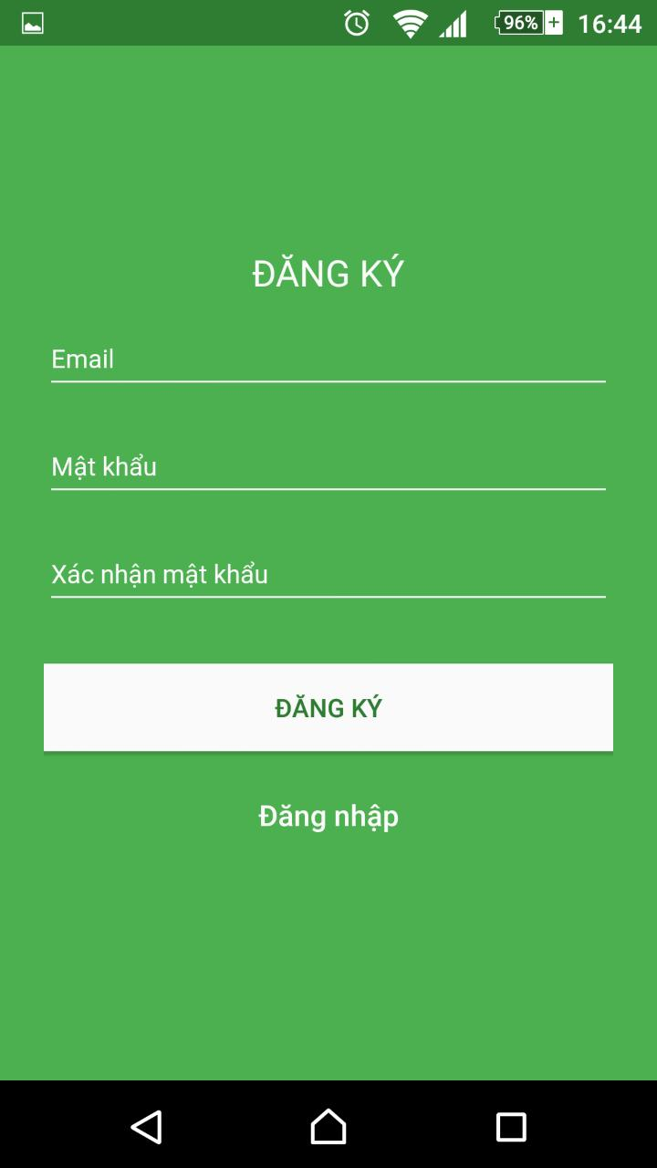
 |  |  |  |  |  | Results |  |  | Results |  |  | Note
Test Case ID | Test Case Description | Test procedure | Pre_Condition | Expected Results | Actual Results | Round 1 |  |  | Round 2
 |  |  |  |  |  | Status | Test Date | Tester | Status | Test Date | Tester
GUI_SHOW REGISTER FORM
GUI-RF01 | [ĐĂNG KÝ] Label |  |  | Text color: white Status: enable - Upper case - Center horizontally |  | Passed | 21-Feb-18 | Thong T. HUA | Passed | 24-Feb-18 | Thong T. HUA
GUI-RF02 | [Email] label |  |  | - Text color : white - Status : enable Left |  | Passed | 21-Feb-18 | Thong T. HUA | Passed | 24-Feb-18 | Thong T. HUA
GUI-RF03 | [Mật khẩu] Label |  |  | - Text color : white - Status : enable Left |  | Passed | 21-Feb-18 | Thong T. HUA | Passed | 24-Feb-18 | Thong T. HUA
GUI-RF04 | [Xác nhận mật khẩu] Label |  |  | - Text color : white - Status : enable Left |  | Passed | 21-Feb-18 | Thong T. HUA | Passed | 24-Feb-18 | Thong T. HUA
GUI-RF05 | [ĐĂNG KÝ] Button |  |  | - Text color : green - Status : enable Center horizontally Background color: white |  | Passed | 21-Feb-18 | Thong T. HUA | Passed | 24-Feb-18 | Thong T. HUA
FUNCTION_SHOW THE REGISTER FORM
FUNC-RF01 | To verify the register show error message | 1. Input : Email 2. Input : Mật khẩu 3. Input : Xác nhận mật khẩu sai 4.Click " ĐĂNG KÝ " |  | Email or PassWord is not correct |  | Passed | 21-Feb-18 | Thong T. HUA | Passed | 24-Feb-18 | Thong T. HUA
FUNC-RF02 | To verify the login successfully | 1. Input : Email 2. Input : Mật khẩu 3. Input : Xác nhận mật khẩu 4.Click " ĐĂNG KÝ " |  | Register successfully |  | Passed | 21-Feb-18 | Thong T. HUA | Passed | 24-Feb-18 | Thong T. HUA

Show The Login Form
Project Name | RENTING HELPER
Module Code | Log in

 | Passed | Failed | Untested | Blocked | Test Case Total
Round 1 | 7 | 0 | 0 | 0 | 7
Round 2 | 7 | 0 | 0 | 0 | 7
 | 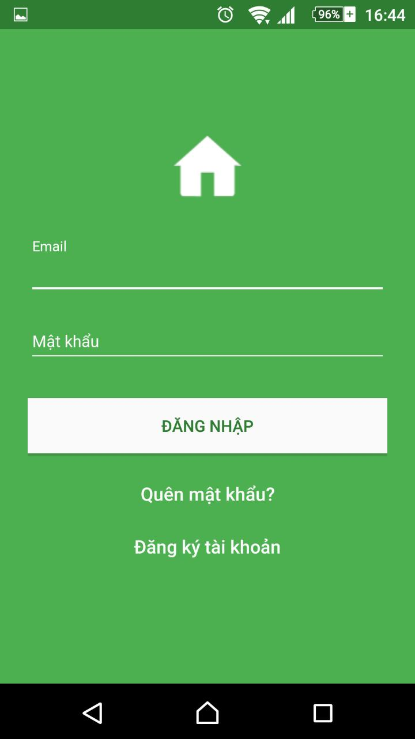
 |  |  |  |  |  | Results |  |  | Results |  |  | Note
Test Case ID | Test Case Description | Test procedure | Pre_Condition | Expected Results | Actual Results | Round 1 |  |  | Round 2
 |  |  |  |  |  | Status | Test Date | Tester | Status | Test Date | Tester
GUI_SHOW THE LOGIN FORM
GUI-LF01 | [Email] EditText |  |  | Text color: white Status: enable - Left |  | Passed | 22-Feb-18 | Thong T. HUA | Passed | 24-Feb-18 | Thong T. HUA
GUI-LF02 | [Mật khẩu] EditText |  |  | - Text color : white - Status : enable - Left |  | Passed | 22-Feb-18 | Thong T. HUA | Passed | 24-Feb-18 | Thong T. HUA
GUI-LF03 | [ĐĂNG NHẬP] Button |  |  | - Text color : green - Status : enable - Center horizontally - Background color: white |  | Passed | 22-Feb-18 | Thong T. HUA | Passed | 24-Feb-18 | Thong T. HUA
GUI-LF04 | [Quên mật khẩu] Label |  |  | - Text color : white - Status : enable - Center horizontally |  | Passed | 22-Feb-18 | Thong T. HUA | Passed | 24-Feb-18 | Thong T. HUA
GUI-LF05 | [Đăng ký tài khoản] Label |  |  | - Text color : white - Status : enable - Center horizontally |  | Passed | 22-Feb-18 | Thong T. HUA | Passed | 24-Feb-18 | Thong T. HUA
FUNCTION_SHOW THE LOGIN FORM
FUNC-RF01 | To verify the login have a erro message or not | 1. Input : Email 2. Input : Mật khẩu 3.Click " ĐĂNG NHẬP " |  | Email or PassWord is not correct |  | Passed | 22-Feb-18 | Thong T. HUA | Passed | 24-Feb-18 | Thong T. HUA
FUNC-RF02 | To verify the login successfully | 1. Input : Email 2. Input : Mật khẩu 3.Click " ĐĂNG NHẬP " |  | Show renting house's list |  | Passed | 22-Feb-18 | Thong T. HUA | Passed | 24-Feb-18 | Thong T. HUA

Display on the map
Project Name | RENTING HELPER
Module Code | Show map

 | Passed | Failed | Untested | Blocked | Test Case Total
Round 1 | 14 | 0 | 0 | 0 | 14
Round 2 | 14 | 0 | 0 | 0 | 14
 | 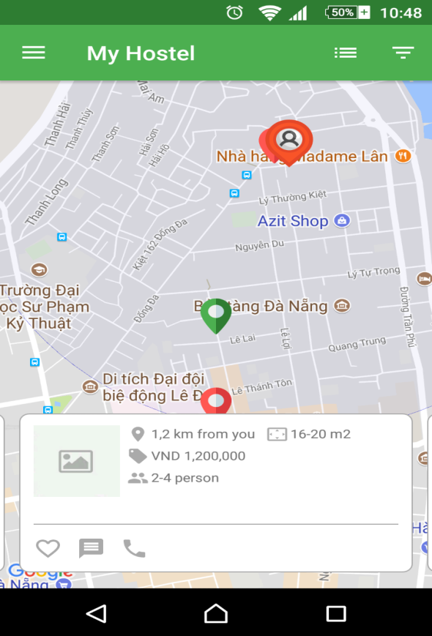
 |  |  |  |  |  | Results |  |  | Results |  |  | Note
Test Case ID | Test Case Description | Test procedure | Pre_Condition | Expected Results | Actual Results | Round 1 |  |  | Round 2
 |  |  |  |  |  | Status | Test Date | Tester | Status | Test Date | Tester
GUI_DISPLAY THE MAP
GUI-SM01 | [Tiêu đề]TitileBar |  |  | - Position: top horizontally - Background Color: green - Text Color: white - Enable: true - Text Align: center |  | Passed | 22-Feb-18 | Thong T. HUA | Passed | 24-Feb-18 | Thong T. HUA
GUI-SM02 | [Icon Menu] Icon Nav Drawer Menu |  |  | - Position: lefft horizontally - Background Color: green - Icon Color: white - Enable: true - Icon: icon menu |  | Passed | 22-Feb-18 | Thong T. HUA | Passed | 24-Feb-18 | Thong T. HUA
GUI-SM3 | [Bản đồ] Mapview |  |  | - Status: enable - Position: center screen - Size: Full size screen |  | Passed | 22-Feb-18 | Thong T. HUA | Passed | 24-Feb-18 | Thong T. HUA
GUI-SM04 | [Thông tin địa điểm] View |  |  | - Position: bottom horizontally - Background Color: white - Enable: true |  | Passed | 22-Feb-18 | Thong T. HUA | Passed | 24-Feb-18 | Thong T. HUA
GUI-SM05 | [Hình địa điểm] ImageView |  |  | - Status: enable - Position: left horizontally - Image: null |  | Passed | 22-Feb-18 | Thong T. HUA | Passed | 24-Feb-18 | Thong T. HUA
GUI-SM06 | [Khoảng cách] Label |  |  | - Status: enable - Position: left horizontally - Text color: gray - Text align: right - Icon: icon location - Icon align: left |  | Passed | 22-Feb-18 | Thong T. HUA | Passed | 24-Feb-18 | Thong T. HUA
GUI-SM07 | [Diện tích] Label |  |  | - Status: enable - Position: right horizontally - Text color: gray - Text align: right - Icon: icon size - Icon align: left |  | Passed | 22-Feb-18 | Thong T. HUA | Passed | 24-Feb-18 | Thong T. HUA
GUI-SM08 | [Giá] Label |  |  | - Status: enable - Position: left horizontally - Text color: gray - Text align: right - Icon: icon price - Icon align: left |  | Passed | 22-Feb-18 | Thong T. HUA | Passed | 24-Feb-18 | Thong T. HUA
GUI-LF09 | [Sức chứa] Label |  |  | - Status: enable - Position: left horizontally - Text color: gray - Text align: right - Icon: icon group - Icon align: left |  | Passed | 22-Feb-18 | Thong T. HUA | Passed | 24-Feb-18 | Thong T. HUA
GUI-SM10 | [Icon Heart] ImageView |  |  | - Status: enable - Position: left horizontally - Icon: icon feart - Index: 1 |  | Passed | 22-Feb-18 | Thong T. HUA | Passed | 24-Feb-18 | Thong T. HUA
GUI-SM11 | [Icon Mesage] ImageView |  |  | - Status: enable - Position: left horizontally - Icon: icon message - Index: 2 |  | Passed | 22-Feb-18 | Thong T. HUA | Passed | 24-Feb-18 | Thong T. HUA
GUI-SM12 | [Icon Calll] ImageView |  |  | - Status: enable - Position: left horizontally - Icon: icon call - Index: 3 |  | Passed | 22-Feb-18 | Thong T. HUA | Passed | 24-Feb-18 | Thong T. HUA
FUNCTION_DISPLAY THE MAP
FUNC-SM01 | Show all of renting house successfully on map | 1. Access the application 2. Click map mode button |  | Display information renting house on map successfully |  | Passed | 22-Feb-18 | Thong T. HUA | Passed | 24-Feb-18 | Thong T. HUA
FUNC-SM02 | Show brief detail when choose a renting house | 1. Access the application 2. Click map mode button 3. Choose a mark on map |  | Display brief information of renting house successfully |  | Passed | 22-Feb-18 | Thong T. HUA | Passed | 24-Feb-18 | Thong T. HUA

Homepage
Project Name | RENTING HELPER
Module Code | Home page

 | Passed | Failed | Untested | Blocked | Test Case Total
Round 1 | 4 | 0 | 0 | 0 | 4
Round 2 | 4 | 0 | 0 | 0 | 4
 | 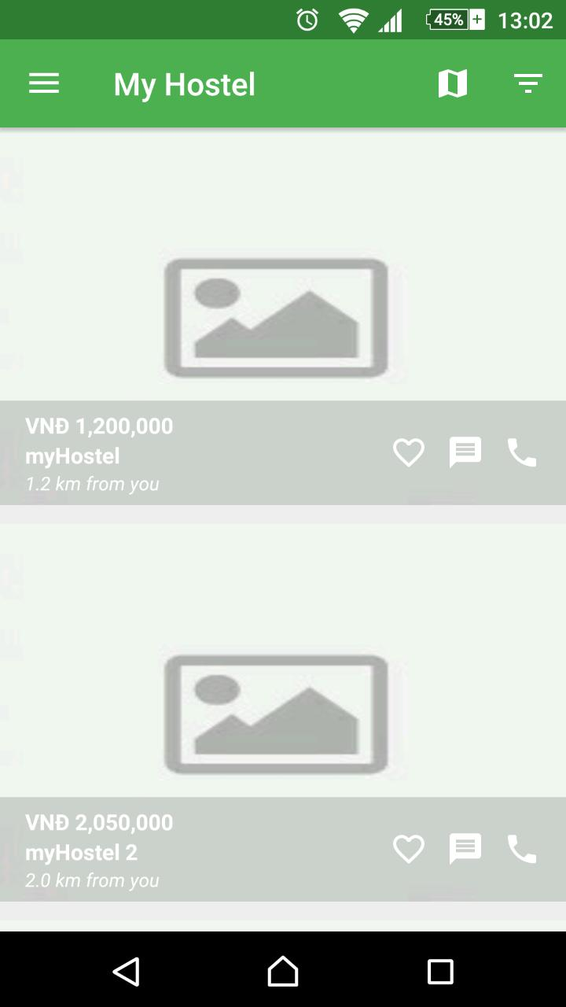
 |  |  |  |  |  | Results |  |  | Results |  |  | Note
Test Case ID | Test Case Description | Test procedure | Pre_Condition | Expected Results | Actual Results | Round 1 |  |  | Round 2
 |  |  |  |  |  | Status | Test Date | Tester | Status | Test Date | Tester
GUI_DISPLAY THE MAP
GUI-SM01 | [Tiêu đề]TitileBar |  |  | - Position: top horizontally - Background Color: green - Text Color: white - Enable: true - Text Align: center |  | Passed | 22-Feb-18 | Diep D.T.N. NGUYEN | Passed | 24-Feb-18 | Diep D.T.N. NGUYEN
GUI-SM02 | [Icon Menu] Icon Nav Drawer Menu |  |  | - Position: lefft horizontally - Background Color: green - Icon Color: white - Enable: true - Icon: icon menu |  | Passed | 22-Feb-18 | Diep D.T.N. NGUYEN | Passed | 24-Feb-18 | Diep D.T.N. NGUYEN
GUI-SM3 | Mapview button |  |  | - Status: enable - Position: top right - Size: icon |  | Passed | 22-Feb-18 | Diep D.T.N. NGUYEN | Passed | 24-Feb-18 | Diep D.T.N. NGUYEN
GUI-SM04 | Filter button |  |  | - Status: enable - Position: top right - Size: icon |  | Passed | 22-Feb-18 | Diep D.T.N. NGUYEN | Passed | 24-Feb-18 | Diep D.T.N. NGUYEN

Choose city
Project Name | RENTING HELPER
Module Code | Choose city

 | Passed | Failed | Untested | Blocked | Test Case Total
Round 1 | 5 | 0 | 0 | 0 | 5
Round 2 | 5 | 0 | 0 | 0 | 5
 |  | 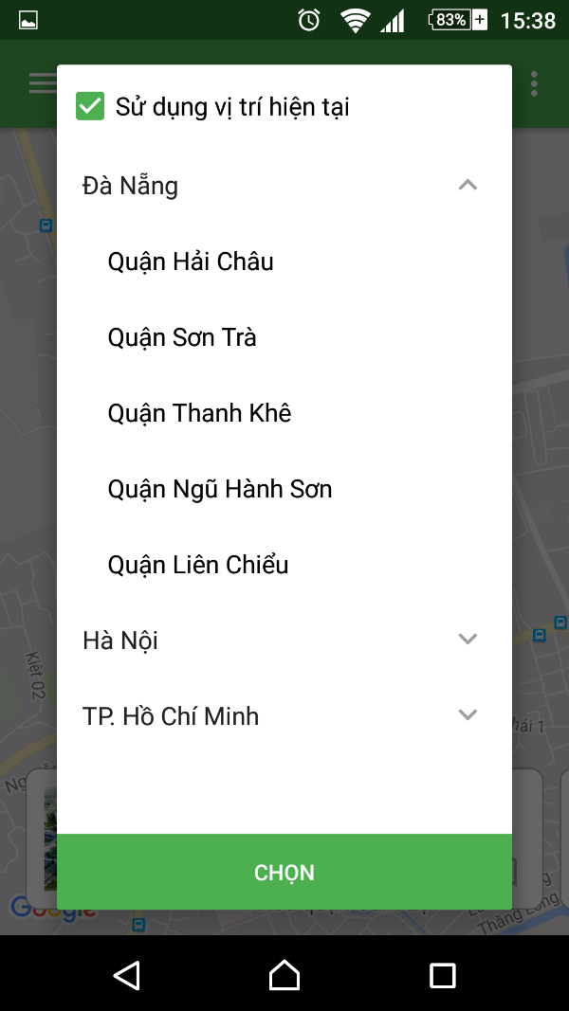
 |  |  |  |  |  | Results |  |  | Results |  |  | Note
Test Case ID | Test Case Description | Test procedure | Pre_Condition | Expected Results | Actual Results | Round 1 |  |  | Round 2
 |  |  |  |  |  | Status | Test Date | Tester | Status | Test Date | Tester
GUI_CHOOSE CITY
GUI-SM01 | Use current location |  |  | - Position: top horizontally - Text Color: black - Checked: true - Text Align: center |  | Passed | 22-Feb-18 | Diep D.T.N. NGUYEN | Passed | 24-Feb-18 | Diep D.T.N. NGUYEN
GUI-SM02 | City list view |  |  | - Position: center - Background Color: white - Text Color: black |  | Passed | 22-Feb-18 | Diep D.T.N. NGUYEN | Passed | 24-Feb-18 | Diep D.T.N. NGUYEN
GUI-SM03 | Select button |  |  | - Status: enable - Position: bottom - Background Color: green Text color: white |  | Passed | 22-Feb-18 | Diep D.T.N. NGUYEN | Passed | 24-Feb-18 | Diep D.T.N. NGUYEN
FUNCTION_DISPLAY THE MAP
FUNC-SM01 | Show list of house for rent of a city | 1. Access the application 2. Login 3. Choose a city and a district 4. Click Select button |  | Display list of renting house of selected district |  | Passed | 22-Feb-18 | Diep D.T.N. NGUYEN | Passed | 24-Feb-18 | Diep D.T.N. NGUYEN
FUNC-SM02 | Change selected city to show list of house for rent | 1. Access the application 2. Login 3. Click pop up menu button 4. Click change city 5. Choose a new city and district 6. Click Select button |  | Display list of renting house of selected district |  | Passed | 22-Feb-18 | Diep D.T.N. NGUYEN | Passed | 24-Feb-18 | Diep D.T.N. NGUYEN

